Title

VMware Solution

VMware Pro Cloud Service for Private Cloud
Infrastructure Component:
VMware Cloud Foundation Operations
(Consumption)
for
<Customer>
Prepared by
<Consultant>
Professional Services | VMware by Broadcom
<consultant>@broadcom.com

VMware and Customer Confidential

Deploy VCFO - Roles and Creds
Deploy VCF Operations for Operations Management Roles and Credentials
 | Product Version | 9.0
Appliance Usernames and Passwords (Built-In Accounts) | Source | Destination | Username | Password | Required Role | Description
VCF Operations Root account |  |  | root
VCF Operations Admin Account (Initial Cluster Setup) |  |  | admin |  |  | NOTE: This is the password specified when first configuring the cluster. https://<vRops IP>/admin/newCluster.action
Service Accounts
Service account for integration of Active Directory in VCF Operations for user authentication | VCF Operations | Active Directory | svc-vrops | Document the passwords here if the Customer is comfortable with having them documented; otherwise, communicate the password to the Customer in an approved manner. | (none) | Service account for integration of Active Directory in VCF Operations for user authentication
Service account for vSphere endpoint adapter instance within VCF Operations | VCF Operations | vCenter Server | svc-vrops-vsphere |  | Read-only | Provides the following access control features: - The adapters in VCF Operations access vSphere with the minimum set of permissions that are required to collect metrics and perform permitted actions. - In the event of a compromised account, the accessibility in the destination application remains restricted. - You can introduce improved accountability in tracking request-response interactions between the components of the SDDC. VVD 6.0: SDDC-COM-CO-MON-054
Service account for NSX endpoint adapter instance within VCF Operations | VCF Operations | vCenter Server NSX for vSphere | svc-vrops-nsx |  | Read-Only (vCenter Server) Enterprise Administrator (NSX) | Provides the following access control features: - The adapters in VCF Operations access NSX-T Data Center with the minimum set of permissions that are required for metric collection and topology mapping. - In the event of a compromised account, the accessibility in the destination application remains restricted. - You can introduce improved accountability in tracking request-response interactions between the components of the SDDC. VVD 6.0: SDDC-COM-CO-MON-061
Service account for vSAN endpoint adapter instance within VCF Operations | VCF Operations | vCenter Server | svc-vrops-vsan |  | MPSD Metrics User | Provides the following access control features: - The adapters in VCF Operations access vSphere with the minimum set of permissions that are required to collect metrics about vSAN inventory objects. - In the event of a compromised account, the accessibility in the destination application remains restricted. - You can introduce improved accountability in tracking request-response interactions between the components of the SDDC. VVD 6.9: SDDC-COM-CO-MON-057
Service account for application to application communication adapter instance within VCF Operations | VCF Operations | vCenter Server | svc-vrops-mpsd |  | MPSD Metrics User | Provides the following access control features: - The adapters in VCF Operations access vSphere with the minimum set of permissions that are required to collect metrics about vSphere inventory objects. - In the event of a compromised account, the accessibility in the destination application remains restricted. - You can introduce improved accountability in tracking request-response interactions between the components of the SDDC. VVD 6.0: SDDC-COM-CO-MON-064
Service account for collecting data in VCF Operations about the workloads in vRealize Automation | VCF Operations | vRealize Automation | svc-vrops-vra |  | IaaS Administrator Infrastructure Architect Software Architect Tenant Administrator Fabric Administrator | Provides the following access control features: - The adapter in VCF Operations accesses vRealize Automation with the minimum set of permissions that are required for collecting metrics about provisioned virtual machines and capacity management. - In the event of a compromised account, the accessibility in the destination application remains restricted. - You can introduce improved accountability in tracking request-response interactions between the components of the SDDC. VVD 6.0: SDDC-COM-CO-MON-059 and SDDC-COM-CO-MON-060
 |  |  | VMware recommends using the usernames and required roles as defined by the VMware Validated Design (VVD). This information is available from the VMware website. The VVD documentation contains a Visio diagram that may help visualize the service account "flows."

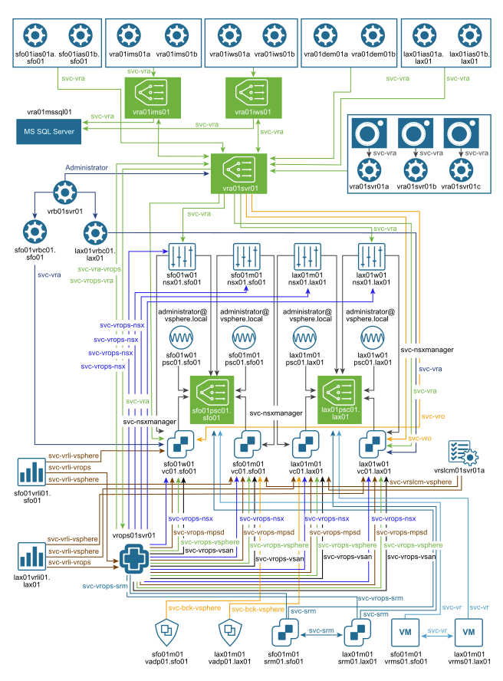

The diagram shown here is available in Visio format via the Deploy VCF Operations for Operations Management delivery materials. It is also available via the VMware VVD 6.0 diagram materials (https://communities.vmware.com/docs/DOC-41667) Note: The VVD 6.0 does not contain the service account diagram to the right. The diagram to the right is from VVD 5.1.

Alternate source, https://github.com/tenthirtyam/vvd-diagrams/releases in the 5.1.1 section.

